PPP Loan Amount and Forgiveness
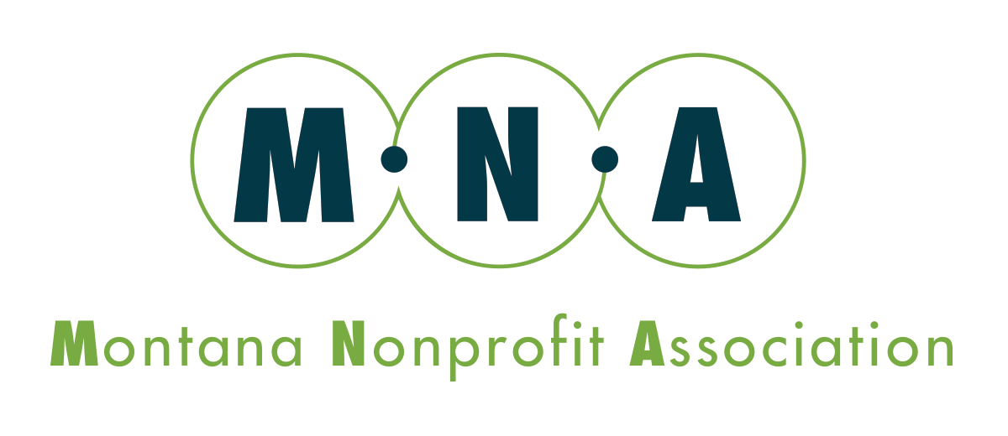
Paycheck Protection Program
Maximum Loan Amount and Loan Forgiveness Calculator

Please fill in cells highlighted in Yellow

For illustrative purposes only. Please consult your lender and the SBA for official guidance and calculations
Step 1: Calculate Maximum Loan Amount
Represents the maximum amount a qualified borrower may apply for.

Maximium Loan Amount:
Calculate Annual Payroll Costs for Calendar Year 2019, OR IF SEASONAL BUSINESS, Total Payroll Costs for March 1, 2019-June 30, 2019

1. Which time period are you using for your payroll cost calculation | Calendar Year 2019
 |  | TOTAL | AVERAGE MONTHLY
2. Calculate total salaries, wages, commissions, vacation and sick pay for time period (either calendar year 2019 or Mar-June 2019). Do not include qualified sick or family leave. Do not include any payments to independent contractors. |  |  | $-

3. Calculate total group health insurance expenses for time period. |  |  | $-

4. Calculate total retirement benefit costs for time period. |  |  | $-

5. Calculate state/local taxes on employee compensation (NOT federal taxes) for time period |  |  | $-

TOTAL PAYROLL COSTS: |  | $- | $-

6. Calculate total wages paid to ALL employees IN EXCESS OF $100K/year. |  |  | $-
(This gets subtracted from the maximum loan ampount)
(For example, if an employee had an annual salary of $120K, please include $20K in calculation)
(IF USING Mar-June 2019 for calculation, calculate the total actual wages in excess of $100K annualized that was paid to employees)

MAXIMUM ALLOWABLE PAYROLL COSTS |  | $- | $-

 |  |  | X 2.5

MAXIMUM LOAN AMOUNT (up to $10M cap) |  |  | $-

Allowable Uses of Funds During the Period February 15, 2020 to June 30, 2020:
1) Payroll costs (defined above)
2) Health care benefits (including group health insurance)
3) Interest on mortgages (not principal)
4) Rent (including rent under a lease agreement)
5) Utilities
6) Interest on any other debt obligations that were incurred before the covered period (February 15, 2020).
(Interest only, not principal payments)
Step 2: Calculate Loan Forgiveness Amount
Represents the maximum amount a qualifed borrower may have forgiven.

1. Costs Incurred During the "Covered" Period (8 weeks following loan origination):
Payroll Costs, inc. health insurance, retirement, and state/local taxes (defined above)
Rent
Utiltities
Interest on Covered Mortgages (on real or personal property) |  |  | $-
Total Costs Incurred |  |  | $- | ** Note: If more than 25% of the PPP Loan is used for non-payroll purposes, the excess will not be forgivable

Total Maximum Loan Forgiveness, before Required Reductions |  |  | #DIV/0!
#DIV/0!

LOAN FORGIVENESS IS ALSO REDUCED IF THE NUMBER OF FULL-TIME EQUIVALENT (FTE) EMPLOYEES HAS BEEN REDUCED OR IF COMPENSATION HAS BEEN REDUCED BY MORE THAN 25% TO ANY EMPLOYEE
1. To determine the forgivable part of the loan for changes to number of full-time equivalent employees you will need the following:
1) Average number of full time equivalent employees (FTEs) per pay period for the 8 weeks following the date of the loan origination*
2) Average number of FTEs per month from February 15, 2019 through June 30, 2019
3) Average number of FTEs per month from January 1, 2020 through February 29, 2020

*A reduction in FTE's FOR ANY REASON between February 15th and April 27th, 2020 is disregarded if the reduction is eliminated by June 30, 2020 for purposes of the reduction in number of employees and/or compensation.

 |  | A) Forgiveness % based on 1 and 2 above
 |  | B) Forgiveness % based on 1 and 3 above
 | 0.0% | The greater of A or B (unless FTE has been restored by June 30, 2020

Total Maximum Loan Forgiveness, after FTE Count Reduction |  |  | #DIV/0!

2.In addition to FTE proportional reductions, loan forgiveness is also reduced by any compensation reductions IN EXCESS of 25% for employees making less than $100K/year.
*If an employee's annualized rate of pay for any pay period in 2019 is over $100K, they are excluded from this calculation.
Compared to the most recent full quarter before loan origination, what is the sum of all employee wage reductions that are in excess of 25%?

Total Maximum Loan Forgiveness, after FTE and Compensation Reductions |  |  | #DIV/0!

BALANCE OF LOAN NOT FORGIVEN (if any) |  |  | #DIV/0!
*Balance of loan is deferred for 6 months and then is repaid at 1% annual interest over 24 months. Please see "Loan Repayment Schedule" tab to review repayment amount and schedule

Please Note: Information contained in or derived from this workbook is not to be relied upon as or considered a substitute for professional advice. This spreadsheet has been created and made available by the Montana Nonprofit Association (MNA) for general informational purposes only and does address individual circumstances, situations, or needs. MNA does not guarantee that the information provided in this workbook is accurate, current, or complete. MNA strongly recommends that you seek professional guidance before making any decisions related to your own individual circumstances or situations. MNA shall not be liable for any direct or indirect loss or damage to any person or organization from the use of the information provided in or derived from this spreadsheet. Through your viewing and use of this spreadsheet, you acknowledge that any use of the information provided through this document is done at your own risk.

